metadata
created by ZPBurris may 9 2017
analysis of larval prickly sculpin and larval longfin smelt diets
data obtained from POD database using Queries linked database in the Sculpin folder
Larval fish are from 2013, Suisun Bay (SLS 501; february 11), WD (sls 520 and 703; Jan 14th and 28th; most empty guts); Central Delta (: 901-918, no 912; feb 25th, Mar 11 and 12th); CSDWSC (January 29th 723, Feb 12 station 716, Mar 25th 720)
SO 4 groupings; plus just compare the station 501 where all 3 species were found
These are 20mm and SLS fish
the data are exactly paired (both species were collected in the same tow; except that i had to add some more stations in the central delta becuase there were too few lognfin).
fish are pooled by region
fish total; fish each speices; the same numebr processed at each station
empty stomachs total ( longfin and Priscu)
have at least one identifiable thing in stomach
fish had diatoms in stomachs; of those only had diatoms and are considered to have empty stoamchs
Number with diatoms (Longfin priscu ); numbnerwith only diaotms (longfin: , priscu: )
SB: 501
WD: 520, 703
Cache slough: 716, 720 (723 january)
CD: >900
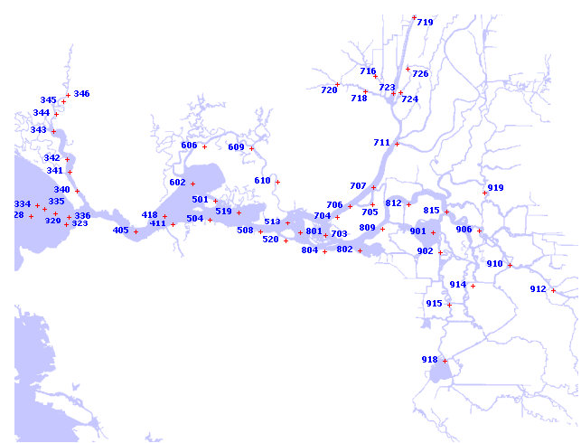

 |  |  |  |  |  |  |  |  |  |  |  |  |  |  |  | West Delta (January)
 |  |  | Suisun Bay (February) |  | Central Delta (February) |  | Cache-Slough (Feb-March) |  | Central Delta (March) |  |  |  |  | Longfin | Sculpin
 |  |  | Longfin | Sculpin | Longfin | Sculpin | Longfin | Sculpin | Longfin | Sculpin |  |  |  | 15 | 20
 |  | No. processed | 38 | 20 | 20 | 20 | 50 | 24 | 22 | 47 |  |  |  | 87% | 95%
 |  | % Empty | 53% | 85% | 60% | 0% | 56% | 67% | 55% | 4% |  |  |  | 6.7 (0.1) | 6.3 (0.1)
 |  | Mean FL | 8.1 (0.3) | 6.0 (0.1) | 7.8 (0.3) | 8.1 (0.2) | 14.2 (0.7) | 7.6 (0.5) | 9.4 (0.8) | 8.5 (0.2) |  |  |  | - | -
 |  | Total prey weight (µg) | 12.5 (3.4) | - | 7.8 (3.0) | 111.7 (15.8) | 47.0 (8.8) | 51.7 (18.3) | 23.4 (3.8) | 78.2 (7.8) |  |  |  | - | -
 |  | Mean prey size (µg) | 6.7 (1.4) | - | 7.0 (2.9) | 11.1 (1.0) | 26.3 (3.8) | 26.7 (7.2) | 12.3 (1.6) | 18.7 (2.3) |  |  |  | - | -
 |  | Mean prey no. | 1.6 (0.2) | - | 1.1 (0.1) | 9.5 (1.0) | 1.7 (0.2) | 1.8 (0.3) | 2.0 (0.3) | 5.2 (.6) |  |  |  | 4 (3) | 0
 |  | No. with Diatoms (No. Empty) | 1 (0) | 10 (9) | 3 (1) | 19 (0) | 24 (10) | 24 (16) | 4 (2) | 28 (2) |  |  |  | -
 |  | Overlap %W (%N) | - |  | 29% (45%) |  | 42% (42%) |  | 66% (70%) |  |  |  |  | - | -
 |  | Niche Breadth %W (%N) | 0.62 (0.60) | - | 0.29 (0.25) | 0.21 (0.30) | 0.47 (0.47) | 0.48 (0.49) | 0.23 (0.25) | 0.52 (0.54)
 |  | No. Yolk Sacs (No. Empty) | 11 (9) | 2 (2) | 0 | 0 | 5 (5) | 1 (1) | 1 (1) | 1 (1)
highlighted are examples that need to be changed |  |  | yates: 4.63, p-0.03 |  | yates: 14.4, p=0.00015 |  | yates:0.39, p=0.53 |  | fisher's exact test
 |  |  | Phi=0.32 |  | Ohi=-.65 |  | phi=0.1 |  | p=0.000005
 |  |  |  |  |  |  |  |  | phi=-.58
 |  |  | Yolk Sac |  | Scuklpin central delta | Yolk sac |  |  |  |  |  |  |  |  | Central delta
 | Suisun Bay Feb |  | n | y | Row Labels | FALSE | TRUE | Sculpin CDSW | Column Labels |  | CDSWc | FALSE | TRUE |  | LONSME | FALSE | TRUE
 |  | LONSME |  |  | Feb |  |  | Row Labels | FALSE | TRUE |  |  |  |  | feb
 | Gut contents | N | 11 | 9 | Y | 20 |  | PRISCU |  |  |  |  |  |  | N | 12
 |  | Y | 16 | 2 | March |  |  | N | 15 | 1 | LONSME |  |  |  | Y | 8
 |  | PRISCU |  |  | N | 1 | 1 | Y | 8 |  | N | 23 | 5 |  | march
 |  | N | 15 | 2 | Y | 45 |  |  |  |  | Y | 22 |  |  | N | 11 | 1
 |  | Y | 3 |  |  |  |  |  |  |  |  |  |  |  | Y | 10

