metadata
created by ZPBurris may 92017
analysis of larval pacific herring and larval longfin smelt diets
data obtained from POD database using Queries linked database in the Sculpin folder
Larval fish are from 2013, from february (feb 11, 12, 26) and march (13Th, 26th) in Suisun Bay (501, 504, 519 stations) and February 12th in Suisun Marsh region (Station 609, SLS). SO 3 GROUPINGS!
These are 20mm and SLS fish
each station had 20-30 fish of each species processed for diet, so the data are exactly paired (both species were collected in the same tow).
fish are pooled by region and/or
Suisun MArsh
19 fish had diatoms in stomachs; of those only had diatoms and are considered to have empty stoamchs
Number with diatoms in Suisun MArsh (Longfin:14 pacher 5 ); numbnerwith only diaotms (longfin:2 , pacher:1 )
created by ZPBurris may 5 2017
analysis of larval pacific herring and larval longfin smelt diets
data obtained from POD database using Queries linked database in the Sculpin folder
Larval fish are from 2013, from february in carquinez region and march in Napa River region. These are 20mm and SLS fish
each station had 20-30 fish of each species processed for diet, so the data are exactly paired (both species were collected in the same tow).
fish are pooled by region (so march 11 and march 23rd are in same group; the same with february-the 11th and 25th).
250 fish total; 125 fish each speices; the same numebr processed at each station
59 empty stomachs total (33 longfin and 26 PACHEr)
from feb 12th (station 405, 411), feb 26th (418), MArch 13th (346), March 27th (346)
186 have at least one identifiable thing in stomach
99 fish had diatoms in stomachs; 11 of those only had diatoms and are considered to have empty stoamchs
Number with diatoms (Longfin 50 pacher 49); numbnerwith only diaotms (longfin: 6, pacher: 5 )
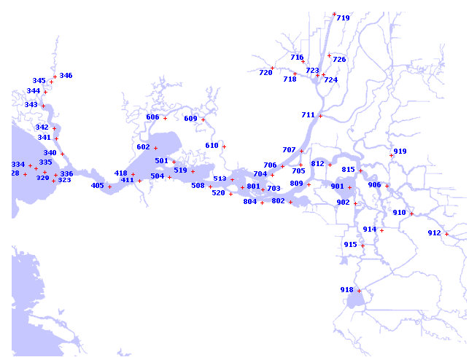

 | February |  |  |  |  |  | March
 | Carquinez |  | Suisun Bay |  | Suisun Marsh |  | Napa River |  | Suisun Bay
 | Longfin | Herring | Longfin | Herring | Longfin | Herring | Longfin | Herring | Longfin | Herring
No. processed | 65 | 65 | 83 | 65 | 20 | 20 | 58 | 60 | 60 | 58
% empty | 38% | 31% | 40% | 37% | 10% | 30% | 14% | 10% | 22% | 21%
Mean FL | 8.3 (0.1) | 10.5 (0.1) | 8.1 (0.1) | 10.1 (0.1) | 8.7 (0.2) | 10.5 (0.1) | 18.1 (0.4) | 15.4 (0.4) | 12.1 (0.6) | 14.9 (0.6)
Total prey weight (µg) | 15.3 (2.5) | 34.8 (4.3) | 14.6 (2.0) | 17.2 (2.2) | 37.4 (5.2) | 30.4 (6.7) | 55.7 (1.7) | 72.6 (17.8) | 37.1 (6.5) | 73.1(16.8)
Mean prey size (µg) | 5.5 (0.6) | 4.8 (0.3) | 6.4 (0.7) | 5.5 (0.5) | 11.1 (0.6) | 11.1 (1.0) | 5.4 (0.1) | 3.5 (0.5) | 13.6 (1.5) | 11.5 (1.9)
Mean prey no. | 3.7 (0.9) | 7.3 (0.8) | 2.2 (0.3) | 4.0 (0.7) | 3.5 (0.4) | 3 (0.7) | 10.5 (1.5) | 27.4 (7.0) | 2.5 (0.3) | 10.3 (2.7)
No. with Diatoms (No. Empty) | 10 (3) | 1 (1) | 8 (0) | 8 (1) | 14 (2) | 5 (1) | 40 (3) | 48 (5) | 10 (2) | 53 (11)
Overlap %W (%N) | 62% (56%) |  | 79% (81%) |  | 95% (90%) |  | 52% (62%) |  | 72% (69%)
Niche Breadth %W (%N) | 0.28 (0.37) | 0.15 (0.19) | 0.42 (0.43) | 0.30 (0.33) | 0.09 (0.24) | 0.17 (0.27) | 0.42 (0.32) | 0.26 (0.14) | 0.27 (0.31) | 0.43 (0.47)
No. Yolk Sacs (No. Empty) | 25 (13) | 1 (1) | 29 (18) | 0 | 1 (1) | 0 | 0 | 0 | 0 | 0
 |  | difference in % empty
 |  | p=0.46 |  | p=0.73 |  | p=0.24; Phi=-.25 |  | p=0.777 |  | p=1.0
 |  | Phi=0.08, Yates: 0.54, Pchi square |  | Phi=.04; yates=0.11 |  |  |  | Phi=0.05; Yates= 0.08 |  | Phi=0.02; Yates =1 | 0.91379310345
 |  |  |  |  |  |  |  | 0.68965517241 | 0.8 | 0.16666666667
run stats on differences between sizes and weights of prey consumed

 | January | Carquinez |  | Suisun Bay |  | West Delta |  | Cache-Slough |  | Sac River
 |  | Longfin | Herring | Longfin | Herring | Longfin | Sculpin | Longfin | Sculpin | Longfin | Sculpin
 | No. processed | 50 | 50 | 75 | 75 | 45 | 50 | 25 | 25 | 35 | 35
 | % empty
 | Mean FL
 | No. with Diatoms (No. Empty)
 | No. Yolk Sacs (No. Empty)

