metadata
created by ZPBurris may 9, 2017
analysis of larval pacific herring and larval longfin smelt and larval prickly sculpin from late JANUARY diets
data obtained from POD database using Queries linked database in the Sculpin folder
Larval fish are from 2013, SLS fish (Jnauray 28 and 29th 2013)
fish are pooled by region
26 fish had food in stomachs out of 140
add the early january 14 and 15th days when done

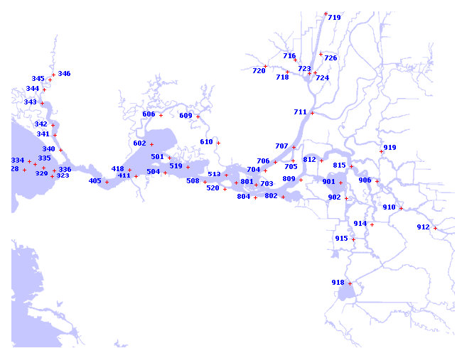

January | Carquinez |  | Suisun Bay |  | West Delta |  | Cache-Slough |  | Sac River
 | Longfin | Herring | Longfin | Herring | Longfin | Sculpin | Longfin | Sculpin | Longfin | Sculpin
No. processed | 10 | 10 | 20 | 20 | 10 | 10 | 15 | 15 | 15 | 15
% empty | 80% | 70% | 60% | 65% | 80% | 90% | 87% | 87% | 87% | 100%
Mean FL | 8.16 (0.25) | 12.42 (0.86) | 6.96 (0.18) | 9.95 (0.13) | 6.77 (0.11) | 6.28 (0.08) | 6.53 (0.08) | 6.35 (0.09) | 6.39 (0.07) | 6.20 (0.09)
No. with Diatoms (No. Empty) | 7 (6) | 10 (7) | 4 (3) | 7 (6) | 1 (0) | 0 | 3 (2) | 5 (4) | 2 (1) | 13 (13)
No. Yolk Sacs (No. Empty) | 8 (6) | 0 | 11 (7) | 0 | 0 | 0 | 9 (9) | 0 | 0 | 5 (5)

